Analyze1
Sum of Total Sales | Sum of Units Sold | Average of Price per Unit | Sum of Operating Profit
12,016,665 | 24,788,610 | $0.45 | 4,722,497

Sum of Total Sales | Column Labels
Row Labels | 2022 | 2023 | Grand Total
Coca-Cola | 499,102 | 2,268,975 | 2,768,077
Dasani Water | 469,271 | 1,917,828 | 2,387,098
Diet Coke | 423,759 | 1,633,959 | 2,057,718
Fanta | 315,489 | 1,116,063 | 1,431,552
Powerade | 349,534 | 1,302,529 | 1,652,063
Sprite | 366,578 | 1,353,578 | 1,720,156
Grand Total | 2,423,733 | 9,592,933 | 12,016,665

Sum of Total Sales | Column Labels
Row Labels | 2022 | 2023 | Grand Total
Amazon | 276,210 | 1,009,699 | 1,285,909
BevCo | 466,788 | 2,327,607 | 2,794,395
FizzyCo | 161,210 | 2,262,827 | 2,424,037
Target | 9,250 | 1,341,995 | 1,351,245
Walmart | 339,913 | 580,211 | 920,124
West Soda | 1,170,362 | 2,070,594 | 3,240,956
Grand Total | 2,423,732 | 9,592,933 | 12,016,665

Years (Invoice Date) | Quarters (Invoice Date) | Sum of Total Sales | Average of Operating Margin
2022 | Qtr1 | 692,776 | 0.402
 | Qtr2 | 644,204 | 0.400
 | Qtr3 | 719,170 | 0.410
 | Qtr4 | 367,582 | 0.402
2023 | Qtr1 | 1,877,584 | 0.417
 | Qtr2 | 2,379,425 | 0.428
 | Qtr3 | 2,805,753 | 0.435
 | Qtr4 | 2,530,171 | 0.425
Grand Total |  | 12,016,665 | 0.423

Dashboard
Retail Sales Dashboard
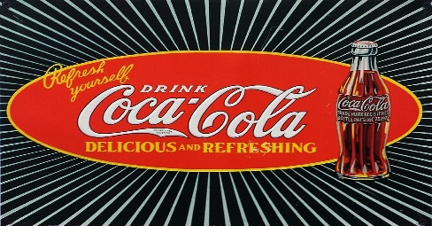 COCOCOLA

Total Sales
Total Units sold
Average Price/Unit
Total operating profit

1,20,16,665
2,47,88,610
$0.45
47,22,497

 | Total sales by beverage brand |  |  |  |  | Total Sales by Retailer
 | Brand | Sales 2022 | Sales 2024 | variance | % Increase | Retailer | Sales 2022 | Sales 2024 | variance | % Increase
 | Coca-Cola | 499,102 | 2,268,975 | 2,768,077 | 355% | Amazon | 276,210 | 1,009,699 | 1,285,909 | 266%
 | Dasani Water | 469,271 | 1,917,828 | 2,387,098 | 309% | BevCo | 466,788 | 2,327,607 | 2,794,395 | 399%
 | Diet Coke | 423,759 | 1,633,959 | 2,057,718 | 286% | FizzyCo | 161,210 | 2,262,827 | 2,424,037 | 1304%
 | Fanta | 315,489 | 1,116,063 | 1,431,552 | 254% | Target | 9,250 | 1,341,995 | 1,351,245 | 14408%
 | Powerade | 349,534 | 1,302,529 | 1,652,063 | 273% | Walmart | 339,913 | 580,211 | 920,124 | 71%
 | Sprite | 366,578 | 1,353,578 | 1,720,156 | 269% | West Soda | 1,170,362 | 2,070,594 | 3,240,956 | 77%
 | Grand Total | 2,423,733 | 9,592,933 | 12,016,665 | 296% | Grand Total | 2,423,732 | 9,592,933 | 12,016,665 | 296%

 | Total sales and average profit margin for Quarter
 | Sum of Total Sales | Average of Operating Margin
Qtr1 | 692,776 | 0.402
Qtr2 | 644,204 | 0.400
Qtr3 | 719,170 | 0.410
Qtr4 | 367,582 | 0.402
Qtr1 | 1,877,584 | 0.417
Qtr2 | 2,379,425 | 0.428
Qtr3 | 2,805,753 | 0.435
Qtr4 | 2,530,171 | 0.425

